Sheet1
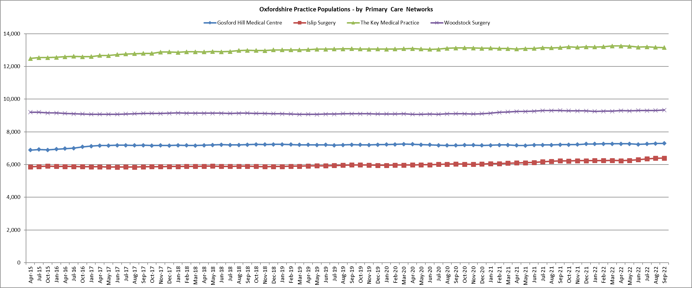
OCCG Planning Application response
Cherwell District Council - number: | 22/01715/OUT | Erection of up to 500 dwellings with associated access, open space and infrastructure
Site: Land south of Perdiswell Farm, Shipton Road, Shipton on Cherwell | Dwellings: 500
Type: | dwellings
Stage of development? | outline consultation
Expected start:
Practice(s): Gosford Hill - 7,299 Islip Surgery - 6,397 The Key Medical Practice - 13,154 Woodstock Surgery - 9, 335 | PCN: KIWY PCN populaton: 36,185
Population increase due to this application and number of bedded dwellings | 1200
Capacity issues: | Significant
Accommodation issues: | Insufficient Consulting rooms to cope with increased population growth as a direct result of the increase in dwellings.
Proposed planning solution: | OCCG request CIL and / or s106 financial contribution - index linked
s106 contribution @ 2.4 & £360 per head: by bedrooms in Planning Statement
61 x 1 bed at £504 per dwelling | £30,744
133 x 2 bed at £720 per dwelling | £95,760
207 x 3 bed at £1,008 per dwelling | £208,656
99 x 4 bed at £1,260 per dwellng | £124,740
0 x 5 bed at £1,729 per dwelling | £0.00
Total | £459,900
OCCG policy document link: https://www.oxfordshireccg.nhs.uk/about-us/primary-care-estates-strategy-2020-25.htm
Date response sent: 4.8.2021 | By: JAH
Notes: This PCN area is already under pressure from nearby planning applications, and this application directly impacts on the ability of the Woodstock Surgery in particular, (although The Keys and Gosford Hill may also be impacted) to provide primary care services to the increasing population. Primary Care infrastructure funding is therefore requested to support local plans to surgery alterations or capital projects to support patient services. The funding will be invested into other capital projects which directly benefit this PCN location and the practices within it if a specific project in the area is not forthcoming.

