Summary Sheet
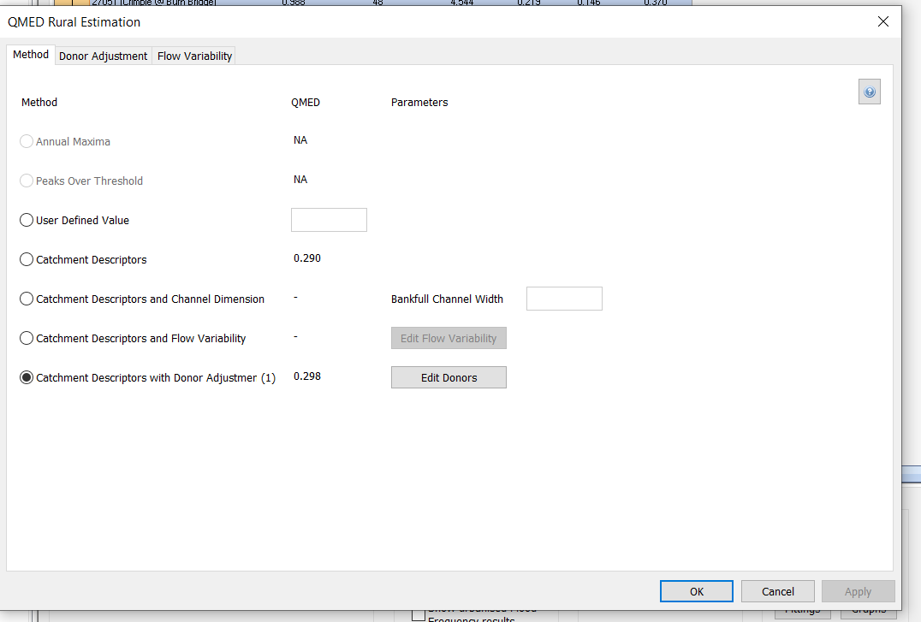
...
 | US_R01 Peak flow (m3s-1) |  |  | DS_R01 Peak flow (m3s-1) |  | US_R02 Peak flow (m3s-1) |  | DS_R01 | 2 | 5 | 10 | 20 | 25
 | 50 | 0.67 |  | 50 | 1.05 | 50 | 0.15
 | 100 | 0.79 |  | 100 | 1.24 | 100 | 0.18
 | 200 | 0.93 |  | 200 | 1.46 | 200 | 0.21
 | 1000 | 1.40 |  | 1000 | 2.19 | 1000 | 0.32

Superficial Geology in channel - |  | Alluvium - Clay, Silt, Sand And Gravel. Superficial Deposits formed up to 2 million years ago in the Quaternary Period. Local environment previously dominated by rivers (U).
In Channel Geology |  | Forest Marble Formation - Limestone And Mudstone, Interbedded. Sedimentary Bedrock formed approximately 166 to 168 million years ago in the Jurassic Period. Local environment previously dominated by shallow carbonate seas.
Majority of Catchment Geology |  | Cornbrash Formation - Limestone. Sedimentary Bedrock formed approximately 164 to 168 million years ago in the Jurassic Period. Local environment previously dominated by shallow carbonate seas.
QMED Selection |  | 0.298 | Donor Adjustment using 39034 (Evenlode @ Cassington Mill)

20yr_NB
...
Lateral
 |  | CHECK
MAX | 0.270 | TOTAL
20yr Scaled Inflows
 | DS_R01 | US_R01 | US_R02 | Lateral
0 | 0.005 | 0.002 | 0.000 | 0.002
0.5 | 0.005 | 0.003 | 0.000 | 0.002
1 | 0.007 | 0.003 | 0.000 | 0.003
1.5 | 0.010 | 0.005 | 0.001 | 0.004
2 | 0.016 | 0.008 | 0.001 | 0.007
2.5 | 0.027 | 0.014 | 0.002 | 0.011
3 | 0.043 | 0.022 | 0.003 | 0.018
3.5 | 0.068 | 0.035 | 0.005 | 0.029
4 | 0.106 | 0.054 | 0.007 | 0.044
4.5 | 0.157 | 0.080 | 0.011 | 0.066
5 | 0.218 | 0.111 | 0.015 | 0.092
5.5 | 0.286 | 0.146 | 0.020 | 0.120
6 | 0.357 | 0.182 | 0.025 | 0.150
6.5 | 0.428 | 0.219 | 0.030 | 0.180
7 | 0.496 | 0.253 | 0.035 | 0.208
7.5 | 0.557 | 0.284 | 0.039 | 0.234
8 | 0.605 | 0.309 | 0.042 | 0.254
8.5 | 0.633 | 0.323 | 0.044 | 0.266
9 | 0.644 | 0.329 | 0.045 | 0.270
9.5 | 0.641 | 0.327 | 0.045 | 0.269
10 | 0.627 | 0.320 | 0.044 | 0.263
10.5 | 0.606 | 0.309 | 0.042 | 0.254
11 | 0.580 | 0.296 | 0.040 | 0.244
11.5 | 0.551 | 0.282 | 0.038 | 0.231
12 | 0.522 | 0.266 | 0.036 | 0.219
12.5 | 0.493 | 0.252 | 0.034 | 0.207
13 | 0.468 | 0.239 | 0.033 | 0.196
13.5 | 0.445 | 0.227 | 0.031 | 0.187
14 | 0.424 | 0.217 | 0.030 | 0.178
14.5 | 0.405 | 0.207 | 0.028 | 0.170
15 | 0.386 | 0.197 | 0.027 | 0.162
15.5 | 0.368 | 0.188 | 0.026 | 0.154
16 | 0.350 | 0.178 | 0.024 | 0.147
16.5 | 0.332 | 0.169 | 0.023 | 0.139
17 | 0.314 | 0.160 | 0.022 | 0.132
17.5 | 0.296 | 0.151 | 0.021 | 0.124
18 | 0.279 | 0.142 | 0.019 | 0.117
18.5 | 0.262 | 0.134 | 0.018 | 0.110
19 | 0.247 | 0.126 | 0.017 | 0.104
19.5 | 0.234 | 0.119 | 0.016 | 0.098
20 | 0.224 | 0.114 | 0.016 | 0.094
20.5 | 0.216 | 0.110 | 0.015 | 0.091
21 | 0.210 | 0.107 | 0.015 | 0.088
21.5 | 0.205 | 0.105 | 0.014 | 0.086
22 | 0.202 | 0.103 | 0.014 | 0.085
22.5 | 0.199 | 0.102 | 0.014 | 0.084
23 | 0.197 | 0.101 | 0.014 | 0.083
23.5 | 0.195 | 0.100 | 0.014 | 0.082
24 | 0.193 | 0.099 | 0.013 | 0.081
24.5 | 0.191 | 0.098 | 0.013 | 0.080
...
0 | 0.002 | 0.005 | 0.000
0.5 | 0.002 | 0.005 | 0.000
1 | 0.003 | 0.007 | 0.000
1.5 | 0.004 | 0.010 | 0.000
2 | 0.007 | 0.016 | 0.000
2.5 | 0.011 | 0.027 | 0.000
3 | 0.018 | 0.043 | 0.000
3.5 | 0.029 | 0.068 | 0.000
4 | 0.044 | 0.106 | 0.000
4.5 | 0.066 | 0.157 | 0.000
5 | 0.092 | 0.218 | 0.000
5.5 | 0.120 | 0.286 | 0.000
6 | 0.150 | 0.357 | 0.000
6.5 | 0.180 | 0.428 | 0.000
7 | 0.208 | 0.496 | 0.000
7.5 | 0.234 | 0.557 | 0.000
8 | 0.254 | 0.605 | 0.000
8.5 | 0.266 | 0.633 | 0.000
9 | 0.270 | 0.644 | 0.000
9.5 | 0.269 | 0.641 | 0.000
10 | 0.263 | 0.627 | 0.000
10.5 | 0.254 | 0.606 | 0.000
11 | 0.244 | 0.580 | 0.000
11.5 | 0.231 | 0.551 | 0.000
12 | 0.219 | 0.522 | 0.000
12.5 | 0.207 | 0.493 | 0.000
13 | 0.196 | 0.468 | 0.000
13.5 | 0.187 | 0.445 | 0.000
14 | 0.178 | 0.424 | 0.000
...

100yr_NB
...
100yr Scaled Inflows
 | DS_R01 | US_R01 | US_R02 | Lateral
0 | 0.005 | 0.002 | 0.000 | 0.002
0.5 | 0.005 | 0.003 | 0.000 | 0.002
1 | 0.008 | 0.004 | 0.001 | 0.003
1.5 | 0.013 | 0.006 | 0.001 | 0.005
2 | 0.022 | 0.011 | 0.001 | 0.009
2.5 | 0.036 | 0.018 | 0.003 | 0.015
3 | 0.060 | 0.030 | 0.004 | 0.025
3.5 | 0.097 | 0.049 | 0.007 | 0.041
4 | 0.152 | 0.078 | 0.011 | 0.064
4.5 | 0.229 | 0.117 | 0.016 | 0.096
5 | 0.320 | 0.164 | 0.022 | 0.134
5.5 | 0.423 | 0.216 | 0.029 | 0.177
6 | 0.531 | 0.271 | 0.037 | 0.223
6.5 | 0.640 | 0.327 | 0.045 | 0.269
7 | 0.745 | 0.380 | 0.052 | 0.313
7.5 | 0.839 | 0.428 | 0.059 | 0.352
8 | 0.914 | 0.467 | 0.064 | 0.384
8.5 | 0.960 | 0.490 | 0.067 | 0.403
9 | 0.979 | 0.500 | 0.068 | 0.411
9.5 | 0.976 | 0.498 | 0.068 | 0.410
10 | 0.956 | 0.488 | 0.067 | 0.401
10.5 | 0.925 | 0.472 | 0.065 | 0.388
11 | 0.886 | 0.453 | 0.062 | 0.372
11.5 | 0.843 | 0.430 | 0.059 | 0.354
12 | 0.797 | 0.407 | 0.056 | 0.335
12.5 | 0.753 | 0.385 | 0.053 | 0.316
13 | 0.714 | 0.365 | 0.050 | 0.300
13.5 | 0.680 | 0.347 | 0.047 | 0.285
14 | 0.648 | 0.331 | 0.045 | 0.272
14.5 | 0.618 | 0.315 | 0.043 | 0.259
15 | 0.589 | 0.301 | 0.041 | 0.247
15.5 | 0.561 | 0.287 | 0.039 | 0.236
16 | 0.534 | 0.273 | 0.037 | 0.224
16.5 | 0.507 | 0.259 | 0.035 | 0.213
17 | 0.480 | 0.245 | 0.033 | 0.202
17.5 | 0.453 | 0.231 | 0.032 | 0.190
18 | 0.427 | 0.218 | 0.030 | 0.179
18.5 | 0.401 | 0.205 | 0.028 | 0.168
19 | 0.377 | 0.193 | 0.026 | 0.158
19.5 | 0.357 | 0.182 | 0.025 | 0.150
20 | 0.341 | 0.174 | 0.024 | 0.143
20.5 | 0.329 | 0.168 | 0.023 | 0.138
21 | 0.319 | 0.163 | 0.022 | 0.134
21.5 | 0.312 | 0.160 | 0.022 | 0.131
22 | 0.307 | 0.157 | 0.021 | 0.129
22.5 | 0.303 | 0.155 | 0.021 | 0.127
23 | 0.299 | 0.153 | 0.021 | 0.126
23.5 | 0.297 | 0.151 | 0.021 | 0.124
24 | 0.294 | 0.150 | 0.020 | 0.123
24.5 | 0.291 | 0.149 | 0.020 | 0.122
...
Lateral
 |  | CHECK
MAX | 0.411 | TOTAL

0 | 0.002 | 0.005 | 0.000
0.5 | 0.002 | 0.005 | 0.000
1 | 0.003 | 0.008 | 0.000
1.5 | 0.005 | 0.013 | 0.000
2 | 0.009 | 0.022 | 0.000
2.5 | 0.015 | 0.036 | 0.000
3 | 0.025 | 0.060 | 0.000
3.5 | 0.041 | 0.097 | 0.000
4 | 0.064 | 0.152 | 0.000
4.5 | 0.096 | 0.229 | 0.000
5 | 0.134 | 0.320 | 0.000
5.5 | 0.177 | 0.423 | 0.000
6 | 0.223 | 0.531 | 0.000
6.5 | 0.269 | 0.640 | 0.000
7 | 0.313 | 0.745 | 0.000
7.5 | 0.352 | 0.839 | 0.000
8 | 0.384 | 0.914 | 0.000
8.5 | 0.403 | 0.960 | 0.000
9 | 0.411 | 0.979 | 0.000
9.5 | 0.410 | 0.976 | 0.000
10 | 0.401 | 0.956 | 0.000
10.5 | 0.388 | 0.925 | 0.000
11 | 0.372 | 0.886 | 0.000
11.5 | 0.354 | 0.843 | 0.000
12 | 0.335 | 0.797 | 0.000
12.5 | 0.316 | 0.753 | 0.000
13 | 0.300 | 0.714 | 0.000
13.5 | 0.285 | 0.680 | 0.000
...

1000yr_NB
...
1000yr Scaled Inflows
 | DS_R01 | US_R01 | US_R02 | Lateral
0 | 0.005 | 0.002 | 0.000 | 0.002
0.5 | 0.006 | 0.003 | 0.000 | 0.002
1 | 0.010 | 0.005 | 0.001 | 0.004
1.5 | 0.017 | 0.009 | 0.001 | 0.007
2 | 0.031 | 0.016 | 0.002 | 0.013
2.5 | 0.055 | 0.028 | 0.004 | 0.023
3 | 0.093 | 0.048 | 0.007 | 0.039
3.5 | 0.154 | 0.079 | 0.011 | 0.065
4 | 0.249 | 0.127 | 0.017 | 0.104
4.5 | 0.380 | 0.194 | 0.026 | 0.159
5 | 0.540 | 0.275 | 0.038 | 0.226
5.5 | 0.720 | 0.367 | 0.050 | 0.302
6 | 0.912 | 0.466 | 0.064 | 0.383
6.5 | 1.108 | 0.566 | 0.077 | 0.465
7 | 1.298 | 0.663 | 0.091 | 0.545
7.5 | 1.472 | 0.752 | 0.103 | 0.618
8 | 1.613 | 0.824 | 0.113 | 0.677
8.5 | 1.704 | 0.870 | 0.119 | 0.715
9 | 1.745 | 0.891 | 0.122 | 0.732
9.5 | 1.744 | 0.891 | 0.122 | 0.732
10 | 1.714 | 0.875 | 0.119 | 0.719
10.5 | 1.661 | 0.848 | 0.116 | 0.697
11 | 1.593 | 0.813 | 0.111 | 0.669
11.5 | 1.515 | 0.774 | 0.106 | 0.636
12 | 1.433 | 0.732 | 0.100 | 0.602
12.5 | 1.355 | 0.692 | 0.094 | 0.569
13 | 1.284 | 0.656 | 0.090 | 0.539
13.5 | 1.221 | 0.623 | 0.085 | 0.512
14 | 1.164 | 0.594 | 0.081 | 0.488
14.5 | 1.110 | 0.567 | 0.077 | 0.466
15 | 1.059 | 0.541 | 0.074 | 0.445
15.5 | 1.009 | 0.515 | 0.070 | 0.424
16 | 0.961 | 0.490 | 0.067 | 0.403
16.5 | 0.913 | 0.466 | 0.064 | 0.383
17 | 0.864 | 0.441 | 0.060 | 0.363
17.5 | 0.816 | 0.417 | 0.057 | 0.343
18 | 0.768 | 0.392 | 0.054 | 0.322
18.5 | 0.722 | 0.369 | 0.050 | 0.303
19 | 0.679 | 0.347 | 0.047 | 0.285
19.5 | 0.641 | 0.327 | 0.045 | 0.269
20 | 0.611 | 0.312 | 0.043 | 0.257
20.5 | 0.589 | 0.300 | 0.041 | 0.247
21 | 0.571 | 0.292 | 0.040 | 0.240
21.5 | 0.559 | 0.285 | 0.039 | 0.234
22 | 0.549 | 0.280 | 0.038 | 0.230
22.5 | 0.541 | 0.276 | 0.038 | 0.227
23 | 0.535 | 0.273 | 0.037 | 0.224
23.5 | 0.530 | 0.270 | 0.037 | 0.222
24 | 0.525 | 0.268 | 0.037 | 0.220
24.5 | 0.520 | 0.265 | 0.036 | 0.218
...
Lateral
 |  | CHECK
MAX | 0.732 | TOTAL

0 | 0.002 | 0.005 | 0.000
0.5 | 0.002 | 0.006 | 0.000
1 | 0.004 | 0.010 | 0.000
1.5 | 0.007 | 0.017 | 0.000
2 | 0.013 | 0.031 | 0.000
2.5 | 0.023 | 0.055 | 0.000
3 | 0.039 | 0.093 | 0.000
3.5 | 0.065 | 0.154 | 0.000
4 | 0.104 | 0.249 | 0.000
4.5 | 0.159 | 0.380 | 0.000
5 | 0.226 | 0.540 | 0.000
5.5 | 0.302 | 0.720 | 0.000
6 | 0.383 | 0.912 | 0.000
6.5 | 0.465 | 1.108 | 0.000
7 | 0.545 | 1.298 | 0.000
7.5 | 0.618 | 1.472 | 0.000
8 | 0.677 | 1.613 | 0.000
8.5 | 0.715 | 1.704 | 0.000
9 | 0.732 | 1.745 | 0.000
9.5 | 0.732 | 1.744 | 0.000
10 | 0.719 | 1.714 | 0.000
10.5 | 0.697 | 1.661 | 0.000
11 | 0.669 | 1.593 | 0.000
11.5 | 0.636 | 1.515 | 0.000
12 | 0.602 | 1.433 | 0.000
12.5 | 0.569 | 1.355 | 0.000
13 | 0.539 | 1.284 | 0.000
13.5 | 0.512 | 1.221 | 0.000
...

