16.09.19-20.09.19
Period | 16 September 2019 00:00 → 20 September 2019 17:36

Time | Channel 2 OUT | Channel 1 IN
2019-09-16 | 0 | 0
2019-09-16 | 1 | 1
2019-09-16 | 1 | 0
2019-09-16 | 1 | 0
2019-09-16 | 0 | 0
2019-09-16 | 8 | 1
2019-09-16 | 27 | 4
2019-09-16 | 62 | 24
2019-09-16 | 82 | 51
2019-09-16 | 30 | 37
2019-09-16 | 23 | 22
2019-09-16 | 37 | 41
2019-09-16 | 40 | 24
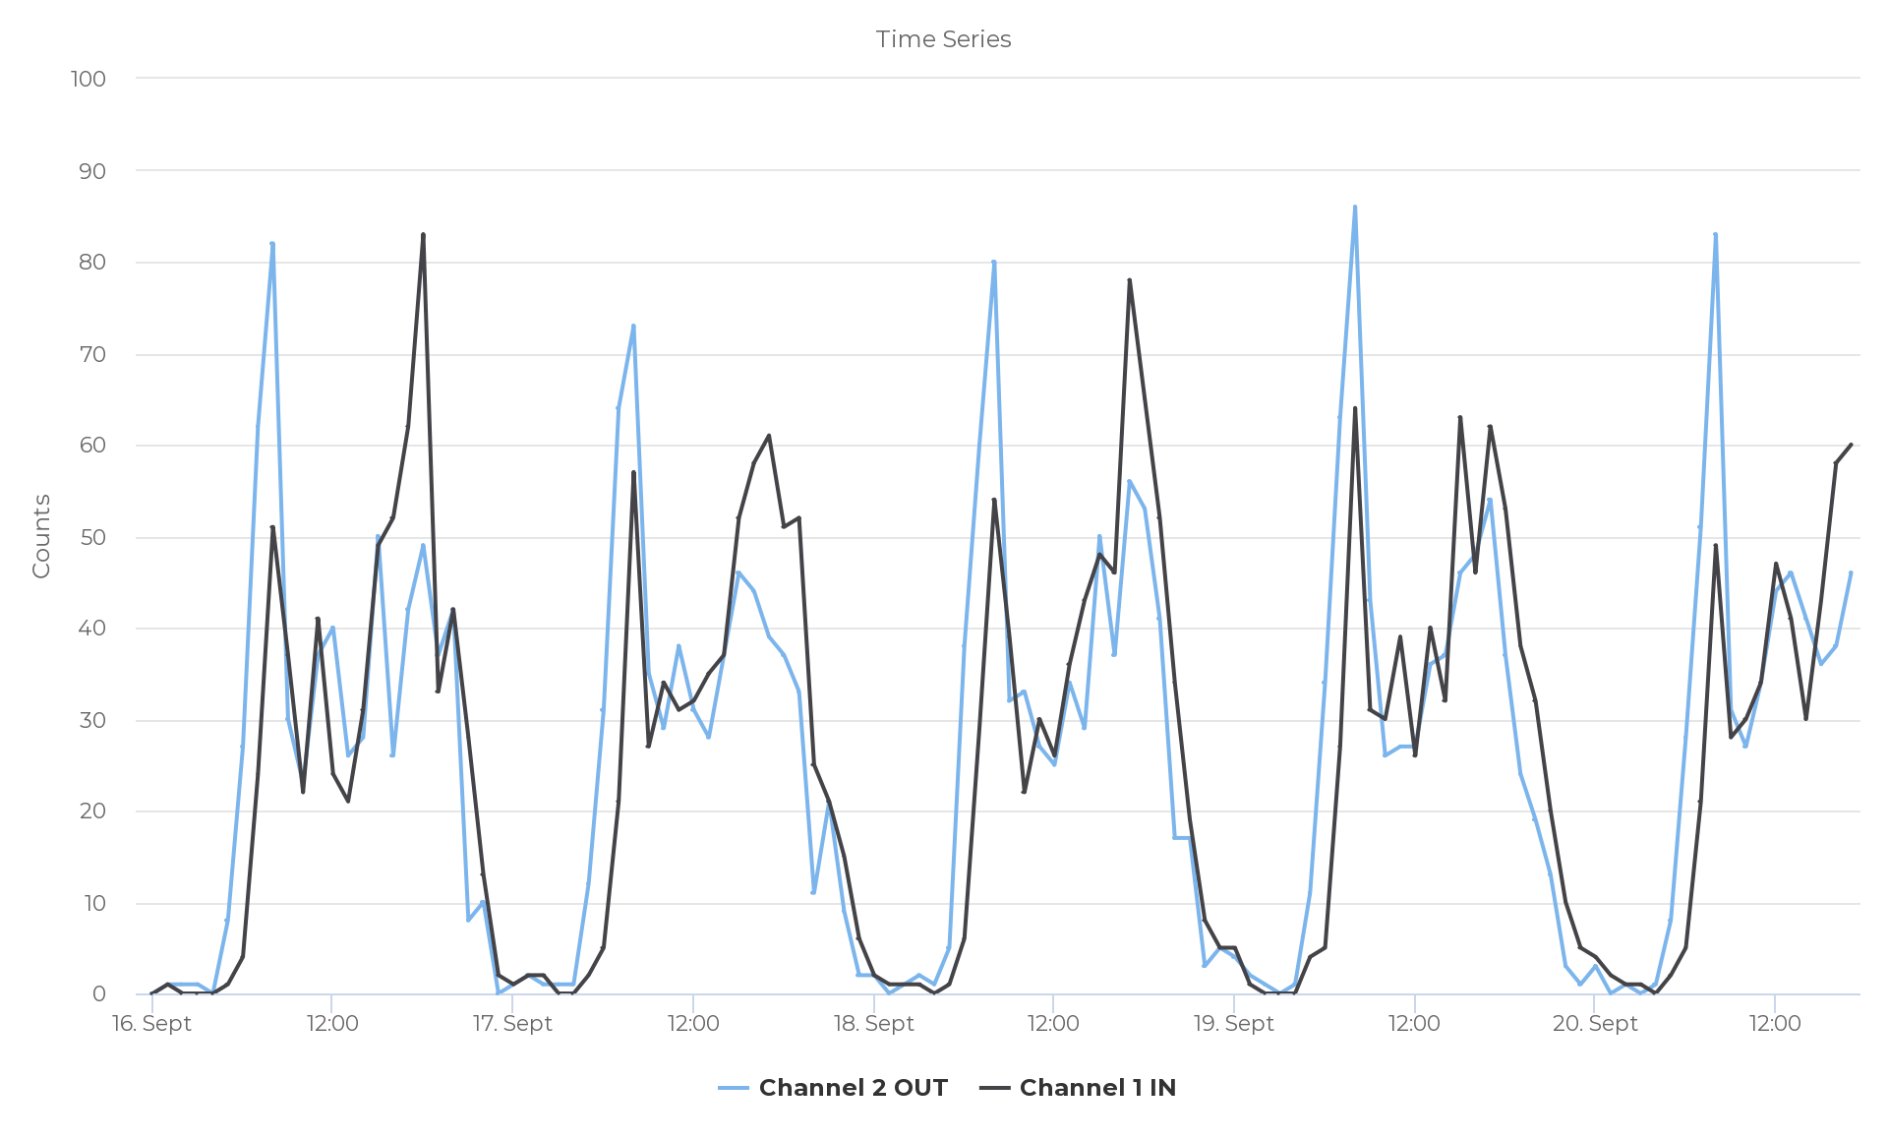
2019-09-16 | 26 | 21
2019-09-16 | 28 | 31
2019-09-16 | 50 | 49
2019-09-16 | 26 | 52
2019-09-16 | 42 | 62
2019-09-16 | 49 | 83
2019-09-16 | 37 | 33
2019-09-16 | 42 | 42
2019-09-16 | 8 | 28
2019-09-16 | 10 | 13
2019-09-16 | 0 | 2
2019-09-17 | 1 | 1
2019-09-17 | 2 | 2
2019-09-17 | 1 | 2
2019-09-17 | 1 | 0
2019-09-17 | 1 | 0
2019-09-17 | 12 | 2
2019-09-17 | 31 | 5
2019-09-17 | 64 | 21
2019-09-17 | 73 | 57
2019-09-17 | 35 | 27
2019-09-17 | 29 | 34
2019-09-17 | 38 | 31
2019-09-17 | 31 | 32
2019-09-17 | 28 | 35
2019-09-17 | 37 | 37
2019-09-17 | 46 | 52
2019-09-17 | 44 | 58
2019-09-17 | 39 | 61
2019-09-17 | 37 | 51
2019-09-17 | 33 | 52
2019-09-17 | 11 | 25
2019-09-17 | 21 | 21
2019-09-17 | 9 | 15
2019-09-17 | 2 | 6
2019-09-18 | 2 | 2
2019-09-18 | 0 | 1
2019-09-18 | 1 | 1
2019-09-18 | 2 | 1
2019-09-18 | 1 | 0
2019-09-18 | 5 | 1
2019-09-18 | 38 | 6
2019-09-18 | 60 | 29
2019-09-18 | 80 | 54
2019-09-18 | 32 | 39
2019-09-18 | 33 | 22
2019-09-18 | 27 | 30
2019-09-18 | 25 | 26
2019-09-18 | 34 | 36
2019-09-18 | 29 | 43
2019-09-18 | 50 | 48
2019-09-18 | 37 | 46
2019-09-18 | 56 | 78
2019-09-18 | 53 | 65
2019-09-18 | 41 | 52
2019-09-18 | 17 | 34
2019-09-18 | 17 | 19
2019-09-18 | 3 | 8
2019-09-18 | 5 | 5
2019-09-19 | 4 | 5
2019-09-19 | 2 | 1
2019-09-19 | 1 | 0
2019-09-19 | 0 | 0
2019-09-19 | 1 | 0
2019-09-19 | 11 | 4
2019-09-19 | 34 | 5
2019-09-19 | 63 | 27
2019-09-19 | 86 | 64
2019-09-19 | 43 | 31
2019-09-19 | 26 | 30
2019-09-19 | 27 | 39
2019-09-19 | 27 | 26
2019-09-19 | 36 | 40
2019-09-19 | 37 | 32
2019-09-19 | 46 | 63
2019-09-19 | 48 | 46
2019-09-19 | 54 | 62
2019-09-19 | 37 | 53
2019-09-19 | 24 | 38
2019-09-19 | 19 | 32
2019-09-19 | 13 | 20
2019-09-19 | 3 | 10
2019-09-19 | 1 | 5
2019-09-20 | 3 | 4
2019-09-20 | 0 | 2
2019-09-20 | 1 | 1
2019-09-20 | 0 | 1
2019-09-20 | 1 | 0
2019-09-20 | 8 | 2
2019-09-20 | 28 | 5
2019-09-20 | 51 | 21
2019-09-20 | 83 | 49
2019-09-20 | 31 | 28
2019-09-20 | 27 | 30
2019-09-20 | 34 | 34
2019-09-20 | 44 | 47
2019-09-20 | 46 | 41
2019-09-20 | 41 | 30
2019-09-20 | 36 | 43
2019-09-20 | 38 | 58
2019-09-20 | 46 | 60

02.12.19-06.12.19
Period | 2 December 2019 00:00 → 6 December 2019 17:36

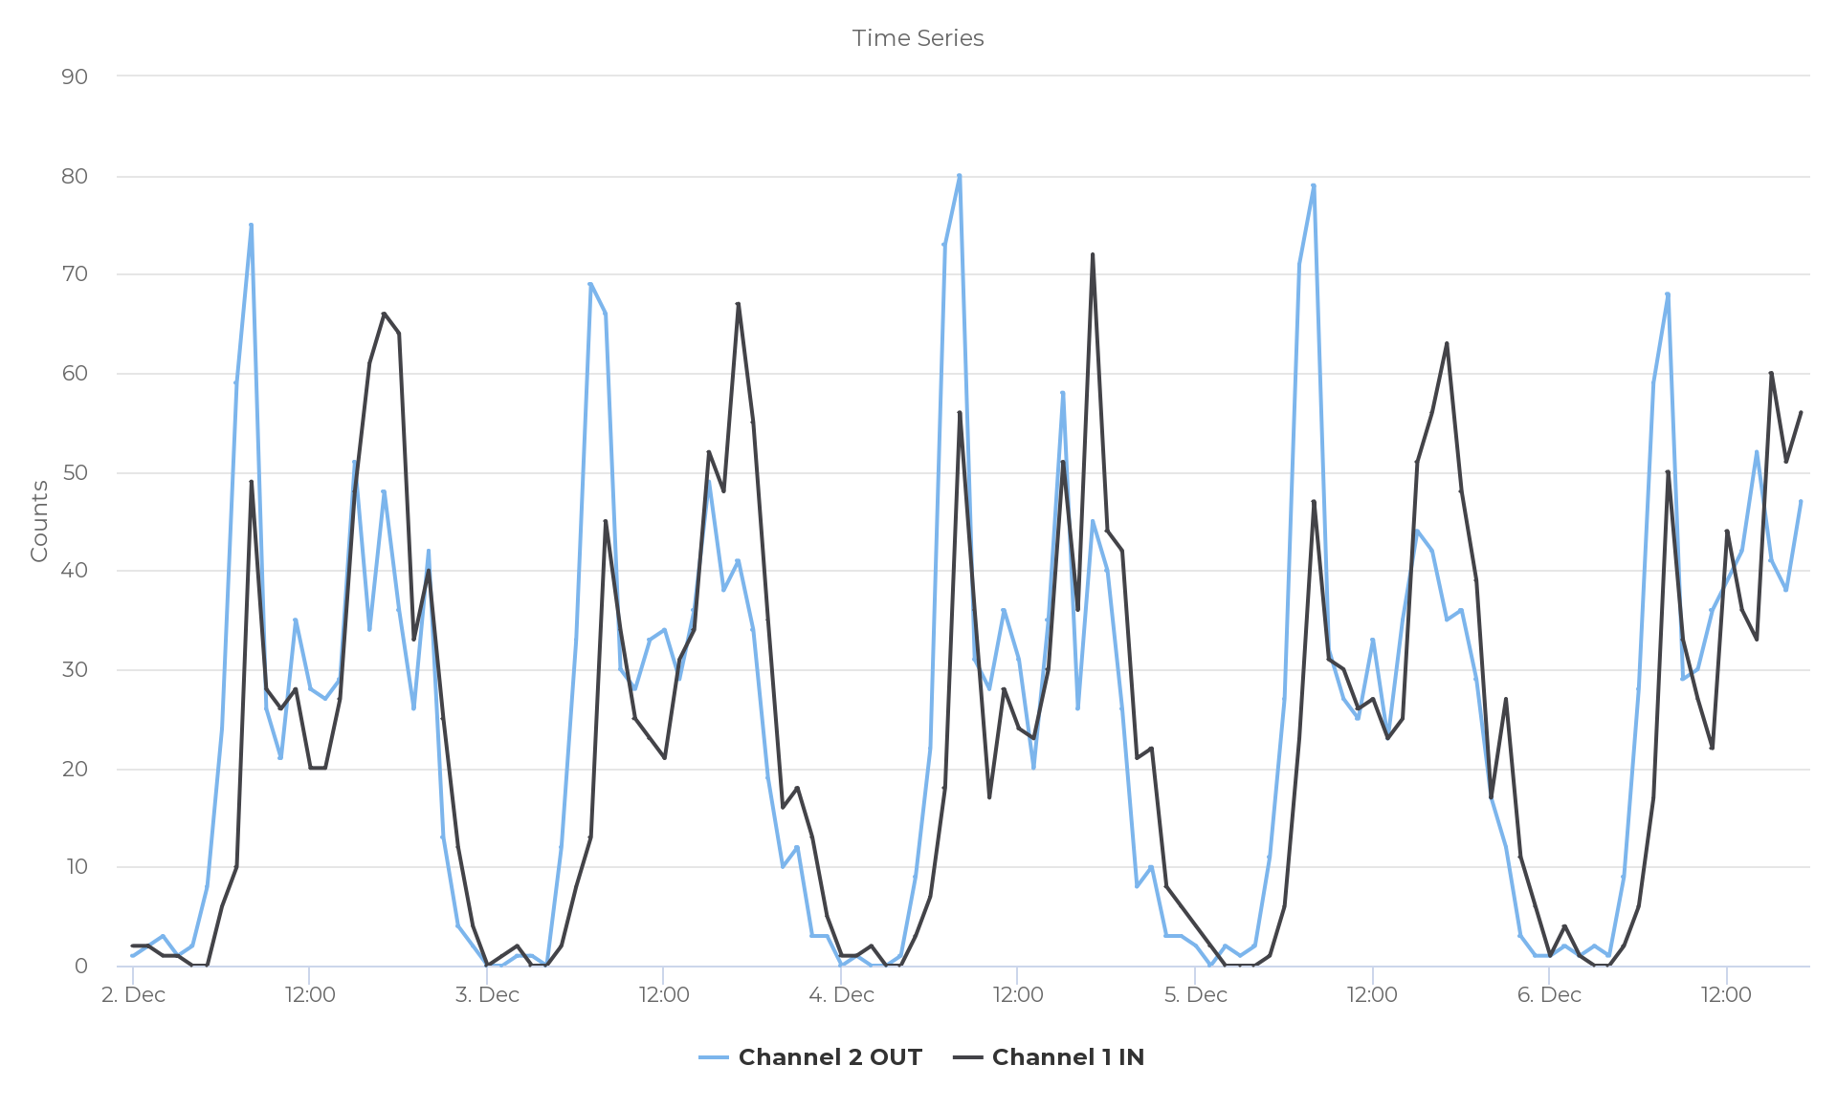
Time | Channel 2 OUT | Channel 1 IN
2019-12-02 | 1 | 2
2019-12-02 | 2 | 2
2019-12-02 | 3 | 1
2019-12-02 | 1 | 1
2019-12-02 | 2 | 0
2019-12-02 | 8 | 0
2019-12-02 | 24 | 6
2019-12-02 | 59 | 10
2019-12-02 | 75 | 49
2019-12-02 | 26 | 28
2019-12-02 | 21 | 26
2019-12-02 | 35 | 28
2019-12-02 | 28 | 20
2019-12-02 | 27 | 20
2019-12-02 | 29 | 27
2019-12-02 | 51 | 48
2019-12-02 | 34 | 61
2019-12-02 | 48 | 66
2019-12-02 | 36 | 64
2019-12-02 | 26 | 33
2019-12-02 | 42 | 40
2019-12-02 | 13 | 25
2019-12-02 | 4 | 12
2019-12-02 | 2 | 4
2019-12-03 | 0 | 0
2019-12-03 | 0 | 1
2019-12-03 | 1 | 2
2019-12-03 | 1 | 0
2019-12-03 | 0 | 0
2019-12-03 | 12 | 2
2019-12-03 | 33 | 8
2019-12-03 | 69 | 13
2019-12-03 | 66 | 45
2019-12-03 | 30 | 34
2019-12-03 | 28 | 25
2019-12-03 | 33 | 23
2019-12-03 | 34 | 21
2019-12-03 | 29 | 31
2019-12-03 | 36 | 34
2019-12-03 | 49 | 52
2019-12-03 | 38 | 48
2019-12-03 | 41 | 67
2019-12-03 | 34 | 55
2019-12-03 | 19 | 35
2019-12-03 | 10 | 16
2019-12-03 | 12 | 18
2019-12-03 | 3 | 13
2019-12-03 | 3 | 5
2019-12-04 | 0 | 1
2019-12-04 | 1 | 1
2019-12-04 | 0 | 2
2019-12-04 | 0 | 0
2019-12-04 | 1 | 0
2019-12-04 | 9 | 3
2019-12-04 | 22 | 7
2019-12-04 | 73 | 18
2019-12-04 | 80 | 56
2019-12-04 | 31 | 36
2019-12-04 | 28 | 17
2019-12-04 | 36 | 28
2019-12-04 | 31 | 24
2019-12-04 | 20 | 23
2019-12-04 | 35 | 30
2019-12-04 | 58 | 51
2019-12-04 | 26 | 36
2019-12-04 | 45 | 72
2019-12-04 | 40 | 44
2019-12-04 | 26 | 42
2019-12-04 | 8 | 21
2019-12-04 | 10 | 22
2019-12-04 | 3 | 8
2019-12-04 | 3 | 6
2019-12-05 | 2 | 4
2019-12-05 | 0 | 2
2019-12-05 | 2 | 0
2019-12-05 | 1 | 0
2019-12-05 | 2 | 0
2019-12-05 | 11 | 1
2019-12-05 | 27 | 6
2019-12-05 | 71 | 23
2019-12-05 | 79 | 47
2019-12-05 | 32 | 31
2019-12-05 | 27 | 30
2019-12-05 | 25 | 26
2019-12-05 | 33 | 27
2019-12-05 | 23 | 23
2019-12-05 | 35 | 25
2019-12-05 | 44 | 51
2019-12-05 | 42 | 56
2019-12-05 | 35 | 63
2019-12-05 | 36 | 48
2019-12-05 | 29 | 39
2019-12-05 | 17 | 17
2019-12-05 | 12 | 27
2019-12-05 | 3 | 11
2019-12-05 | 1 | 6
2019-12-06 | 1 | 1
2019-12-06 | 2 | 4
2019-12-06 | 1 | 1
2019-12-06 | 2 | 0
2019-12-06 | 1 | 0
2019-12-06 | 9 | 2
2019-12-06 | 28 | 6
2019-12-06 | 59 | 17
2019-12-06 | 68 | 50
2019-12-06 | 29 | 33
2019-12-06 | 30 | 27
2019-12-06 | 36 | 22
2019-12-06 | 39 | 44
2019-12-06 | 42 | 36
2019-12-06 | 52 | 33
2019-12-06 | 41 | 60
2019-12-06 | 38 | 51
2019-12-06 | 47 | 56

Analysis
Num |  | Period | 1 September 2019 00:00 → 31 December 2019 17:36
 |  |  | 0800-0900 |  | 24 hour total: |  | Sept 4 to 24 | AVERAGES | 0800-0900 |  | 24 hour total: |  | 0800-0900 | 24 hr
 | Day of Week | Date | Exiting | Entering | Exiting | Entering |  |  | Exiting | Entering | Exiting | Entering | Total | Total
1 | SUN | 2019-09-01 | 13 | 5 | 370 | 361 |  | Weekdays | 79 | 52 | 615 | 610 | 131 | 1225
2 | MON | 2019-09-02 | 47 | 26 | 516 | 525 |  | MONs | 76 | 51 | 618 | 610 | 127 | 1228
3 | TUE | 2019-09-03 | 42 | 29 | 528 | 520 |  | TUEs | 79 | 53 | 613 | 609 | 132 | 1222
4 | WED | 2019-09-04 | 80 | 52 | 585 | 576 |  | WEDs | 79 | 54 | 628 | 623 | 132 | 1251
5 | THUR | 2019-09-05 | 78 | 44 | 595 | 589 |  | THURs | 81 | 53 | 610 | 608 | 134 | 1217
6 | FRI | 2019-09-06 | 83 | 45 | 607 | 605 |  | FRIs | 81 | 48 | 605 | 600 | 129 | 1206
7 | SAT | 2019-09-07 | 23 | 19 | 490 | 484 |  | FRI 20/9/19 | 83 | 49 | 619 | 613 | 132 | 1232
8 | SUN | 2019-09-08 | 15 | 4 | 374 | 392
9 | MON | 2019-09-09 | 70 | 44 | 591 | 580 |  | MIN/MAX
10 | TUE | 2019-09-10 | 74 | 46 | 599 | 598 | MAX | Weekday | 89 | 64 | 652 | 647
11 | WED | 2019-09-11 | 76 | 55 | 652 | 647 | MIN | Weekday | 70 | 44 | 585 | 576
12 | THUR | 2019-09-12 | 79 | 51 | 591 | 601
13 | FRI | 2019-09-13 | 76 | 51 | 590 | 583
14 | SAT | 2019-09-14 | 25 | 14 | 467 | 466 | ALL, ex Hols | AVERAGES | 0800-0900 |  | 24 hour total: |  | 0800-0900 | 24 hr
15 | SUN | 2019-09-15 | 15 | 6 | 345 | 353 |  |  | Exiting | Entering | Exiting | Entering | Total | Total
16 | MON | 2019-09-16 | 82 | 51 | 630 | 621 |  | Weekdays | 75 | 52 | 622 | 603 | 128 | 1225
17 | TUE | 2019-09-17 | 73 | 57 | 626 | 627 |  | MONs | 73 | 53 | 629 | 609 | 126 | 1238
18 | WED | 2019-09-18 | 80 | 54 | 648 | 646 |  | TUEs | 75 | 53 | 613 | 595 | 128 | 1208
19 | THUR | 2019-09-19 | 86 | 64 | 643 | 633 |  | WEDs | 78 | 54 | 627 | 607 | 131 | 1234
20 | FRI | 2019-09-20 | 83 | 49 | 619 | 613 |  | THURs | 76 | 50 | 619 | 602 | 126 | 1221
21 | SAT | 2019-09-21 | 27 | 26 | 431 | 441 |  | FRIs | 75 | 52 | 622 | 600 | 127 | 1221
22 | SUN | 2019-09-22 | 13 | 4 | 348 | 364 |  | FRI 20/9/19 | 83 | 49 | 619 | 613 | 132 | 1232
23 | MON | 2019-09-23 | 77 | 57 | 634 | 628 |  | THU 5/12/19 | 79 | 47 | 588 | 560 | 126 | 1148
24 | TUE | 2019-09-24 | 89 | 57 | 614 | 602
25 | WED | 2019-09-25 | 79 | 60 | 658 | 652 | ALL incl w/e | MIN | 6 | 2 | 195 | 172
26 | THUR | 2019-09-26 | 84 | 51 | 642 | 641 |  | MAX | 89 | 64 | 677 | 656
27 | FRI | 2019-09-27 | 74 | 52 | 619 | 611
28 | SAT | 2019-09-28 | 17 | 13 | 433 | 443
29 | SUN | 2019-09-29 | 6 | 3 | 359 | 363
30 | MON | 2019-09-30 | 69 | 52 | 613 | 624
31 | TUE | 2019-10-01 | 79 | 57 | 613 | 605
32 | WED | 2019-10-02 | 79 | 60 | 645 | 656
33 | THUR | 2019-10-03 | 76 | 51 | 600 | 585
34 | FRI | 2019-10-04 | 71 | 49 | 625 | 616
35 | SAT | 2019-10-05 | 27 | 15 | 410 | 416
36 | SUN | 2019-10-06 | 11 | 6 | 379 | 392
37 | MON | 2019-10-07 | 67 | 50 | 618 | 615
38 | TUE | 2019-10-08 | 64 | 57 | 613 | 616
39 | WED | 2019-10-09 | 79 | 64 | 641 | 649
40 | THUR | 2019-10-10 | 80 | 63 | 596 | 598
41 | FRI | 2019-10-11 | 59 | 54 | 641 | 639
42 | SAT | 2019-10-12 | 22 | 14 | 450 | 443
43 | SUN | 2019-10-13 | 18 | 6 | 349 | 350
44 | MON | 2019-10-14 | 77 | 53 | 621 | 626
45 | TUE | 2019-10-15 | 71 | 55 | 588 | 591
46 | WED | 2019-10-16 | 85 | 59 | 660 | 653
47 | THUR | 2019-10-17 | 33 | 38 | 607 | 609
48 | FRI | 2019-10-18 | 73 | 57 | 636 | 594
49 | SAT | 2019-10-19 | 33 | 17 | 473 | 444
50 | SUN | 2019-10-20 | 14 | 5 | 311 | 325
51 | MON | 2019-10-21 | 68 | 62 | 638 | 610
52 | TUE | 2019-10-22 | 72 | 55 | 606 | 582
53 | WED | 2019-10-23 | 75 | 52 | 660 | 627
54 | THUR | 2019-10-24 | 82 | 58 | 633 | 609
55 | FRI | 2019-10-25 | 68 | 50 | 615 | 565
56 | SAT | 2019-10-26 | 25 | 17 | 487 | 467
57 | SUN | 2019-10-27 | 18 | 4 | 342 | 339
58 | MON | 2019-10-28 | 42 | 25 | 496 | 464
59 | TUE | 2019-10-29 | 42 | 19 | 510 | 474
60 | WED | 2019-10-30 | 44 | 20 | 514 | 470
61 | THUR | 2019-10-31 | 44 | 26 | 513 | 483
62 | FRI | 2019-11-01 | 32 | 18 | 503 | 475
63 | SAT | 2019-11-02 | 36 | 14 | 437 | 402
64 | SUN | 2019-11-03 | 19 | 6 | 355 | 366
65 | MON | 2019-11-04 | 71 | 52 | 641 | 603
66 | TUE | 2019-11-05 | 68 | 58 | 677 | 652
67 | WED | 2019-11-06 | 63 | 41 | 615 | 571
68 | THUR | 2019-11-07 | 75 | 50 | 632 | 610
69 | FRI | 2019-11-08 | 81 | 45 | 610 | 585
70 | SAT | 2019-11-09 | 25 | 11 | 468 | 434
71 | SUN | 2019-11-10 | 12 | 2 | 340 | 347
72 | MON | 2019-11-11 | 73 | 52 | 637 | 596
73 | TUE | 2019-11-12 | 79 | 55 | 627 | 595
74 | WED | 2019-11-13 | 83 | 49 | 586 | 553
75 | THUR | 2019-11-14 | 88 | 50 | 645 | 608
76 | FRI | 2019-11-15 | 79 | 58 | 620 | 583
77 | SAT | 2019-11-16 | 20 | 10 | 521 | 510
78 | SUN | 2019-11-17 | 10 | 3 | 340 | 322
79 | MON | 2019-11-18 | 75 | 42 | 642 | 597
80 | TUE | 2019-11-19 | 72 | 48 | 556 | 534
81 | WED | 2019-11-20 | 74 | 49 | 610 | 568
82 | THUR | 2019-11-21 | 77 | 49 | 641 | 596
83 | FRI | 2019-11-22 | 77 | 57 | 621 | 599
84 | SAT | 2019-11-23 | 35 | 11 | 526 | 504
85 | SUN | 2019-11-24 | 17 | 7 | 376 | 357
86 | MON | 2019-11-25 | 67 | 44 | 627 | 599
87 | TUE | 2019-11-26 | 79 | 48 | 611 | 584
88 | WED | 2019-11-27 | 67 | 50 | 602 | 584
89 | THUR | 2019-11-28 | 75 | 49 | 606 | 577
90 | FRI | 2019-11-29 | 67 | 48 | 630 | 597
91 | SAT | 2019-11-30 | 21 | 9 | 493 | 439
92 | SUN | 2019-12-01 | 12 | 6 | 336 | 353
93 | MON | 2019-12-02 | 75 | 49 | 596 | 571
94 | TUE | 2019-12-03 | 66 | 45 | 581 | 549
95 | WED | 2019-12-04 | 80 | 56 | 588 | 551
96 | THUR | 2019-12-05 | 79 | 47 | 588 | 560
97 | FRI | 2019-12-06 | 68 | 50 | 625 | 581
98 | SAT | 2019-12-07 | 29 | 11 | 415 | 397
99 | SUN | 2019-12-08 | 12 | 4 | 353 | 358
100 | MON | 2019-12-09 | 85 | 64 | 651 | 623
101 | TUE | 2019-12-10 | 81 | 54 | 628 | 589
102 | WED | 2019-12-11 | 80 | 46 | 618 | 578
103 | THUR | 2019-12-12 | 79 | 48 | 642 | 606
104 | FRI | 2019-12-13 | 86 | 64 | 644 | 627
105 | SAT | 2019-12-14 | 23 | 15 | 536 | 508
106 | SUN | 2019-12-15 | 9 | 2 | 374 | 379
107 | MON | 2019-12-16 | 70 | 63 | 667 | 632
108 | TUE | 2019-12-17 | 82 | 51 | 637 | 607
109 | WED | 2019-12-18 | 83 | 56 | 632 | 598
110 | THUR | 2019-12-19 | 70 | 43 | 630 | 608
111 | FRI | 2019-12-20 | 33 | 16 | 546 | 496
112 | SAT | 2019-12-21 | 27 | 14 | 467 | 437
113 | SUN | 2019-12-22 | 13 | 7 | 345 | 343
114 | MON | 2019-12-23 | 36 | 21 | 520 | 494
115 | TUE | 2019-12-24 | 25 | 15 | 443 | 405
116 | WED | 2019-12-25 | 6 | 2 | 195 | 172
117 | THUR | 2019-12-26 | 7 | 8 | 272 | 280
118 | FRI | 2019-12-27 | 22 | 10 | 372 | 353
119 | SAT | 2019-12-28 | 23 | 8 | 394 | 348
120 | SUN | 2019-12-29 | 15 | 5 | 292 | 288
121 | MON | 2019-12-30 | 25 | 15 | 418 | 385
122 | TUE | 2019-12-31 | 20 | 6 | 318 | 271

